Sheet1
 | Turtlesback Review

Uprooted |  | Descent | Gifted

How is the difficulty ( too hard? too easy? how could it be made easier if too hard ), What about the controls? |  | How is the difficulty ( too hard? too easy? how could it be made easier if too hard ), What about the controls? | How is the difficulty ( too hard? too easy? how could it be made easier if too hard ), What about the controls?

Difficult to manuaver. And hard controls |  | Easy because only one control. Timing can be difficult. | Wasn't hard.

Do you like the way the game looks? Do the colors make sense? |  | Do you like the way the game looks? Do the colors make sense? | Do you like the way the game looks? Do the colors make sense?

It's fine. |  | Not ugly, looks fine. | Looks fine.

Additional Feedback (Anything you can think of that we should consider) |  | Additional Feedback (Anything you can think of that we should consider) | Additional Feedback (Anything you can think of that we should consider)

Difficult to see if you are going to hit the tree branches. |  | Lag and gaps no closing | Overall very slow, boring.

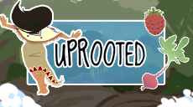
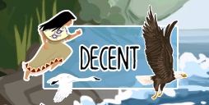
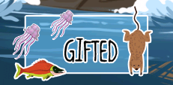

 |  | Grounded

 |  | How is the difficulty ( too hard? too easy? how could it be made easier if too hard ), What about the controls?

 |  | Difficult enough to force you to pay attention (good).

 |  | Do you like the way the game looks? Do the colors make sense?

 |  | It's okay (need improvement)

 |  | Additional Feedback (Anything you can think of that we should consider)

 |  | Confused to random pictures.

